Coaches Card
Directions: Input information in gray boxes. Print on card stock, preferablly using a color printer. Cut on trim lines.

 | Date (mm/dd/yy): |  |  | Referee: |  | H Coach
 | Kickoff Time (h:mm): |  |  |  |  | V Coach
 | Event Special: |  |  | Head Linesman:
 | Visiting Team: |  |  | Line Judge:
 | Home Team:

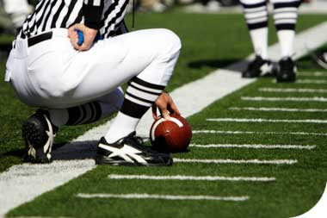

SNOA
Football
SNOA
Football

Football
Football

Please share game film with SNOA Football Officials on HUDL |  |  | Please share game film with SNOA Football Officials on HUDL

 | Home Coach: | 0 |  | Visiting Coach: | 0

at |  |  | at
 | Saturday, January 00, 1900 - 0:00pm |  |  | Saturday, January 00, 1900 - 0:00pm

 | Referee: | 0 |  | Referee: | 0
 | Head Linesman: | 0 |  | Head Linesman: | 0
 | Line Judge: | 0 |  | Line Judge: | 0



Football
Football

Please share game film with SNOA Football Officials on HUDL |  |  | Please share game film with SNOA Football Officials on HUDL

at |  |  | at
 | Saturday, January 00, 1900 - 0:00pm |  |  | Saturday, January 00, 1900 - 0:00pm

 | Referee: | 0 |  | Referee: | 0
 | Head Linesman: | 0 |  | Head Linesman: | 0
 | Line Judge: | 0 |  | Line Judge: | 0

