Sheet1
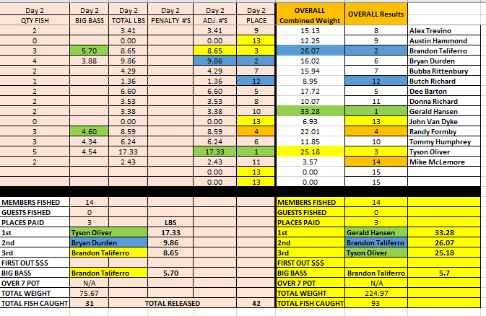
ANGLER | Day 1 AM | Day 1 AM | Day 1 AM | Day 1 AM | Day 1 AM | Day 1 AM | Day 1 PM | Day 1 PM | Day 1 PM | Day 1 PM | Day 1 PM | Day 1 PM | DAY 1 Overall Combined Weight | DAY 1 Final Results
 | QTY FISH | BIG BASS | TOTAL LBS | PENALTY #'S | ADJ. #'S | PLACE | QTY FISH | BIG BASS | TOTAL LBS | PENALTY #'S | ADJ. #'S | PLACE
Alex Trevino | 2 |  | 3.77 |  | 3.77 | 10 | 3 | 4.23 | 7.95 |  | 7.95 | 2 | 11.72 | 5
Austin Hammond | 3 | 3.95 | 7.48 |  | 7.48 | 4 | 2 |  | 4.77 |  | 4.77 | 6 | 12.25 | 4
Brandon Taliferro | 4 | 5.33 | 14.51 |  | 14.51 | 1 | 2 |  | 2.91 |  | 2.91 | 11 | 17.42 | 2
Bryan Durden | 1 |  | 2.67 |  | 2.67 | 11 | 2 |  | 3.49 |  | 3.49 | 10 | 6.16 | 12
Bubba Rittenbury | 2 |  | 4.08 |  | 4.08 | 9 | 3 | 4.47 | 7.57 |  | 7.57 | 3 | 11.65 | 6
Butch Richard | 2 |  | 2.07 |  | 2.07 | 12 | 2 |  | 5.52 |  | 5.52 | 5 | 7.59 | 9
Chandler Dobbs |  |  |  |  | 0.00 | 14 |  |  |  |  | 0.00 | 14 | 0.00 | 15
Clint Maass |  |  |  |  | 0.00 | 14 |  |  |  |  | 0.00 | 14 | 0.00 | 15
Dalton Timson |  |  |  |  | 0.00 | 14 |  |  |  |  | 0.00 | 14 | 0.00 | 15
Dee Barton | 3 | 3.91 | 6.48 |  | 6.48 | 5 | 2 |  | 4.64 |  | 4.64 | 8 | 11.12 | 7
Donna Richard | 0 |  | 0.00 |  | 0.00 | 14 | 2 | 4.37 | 6.54 |  | 6.54 | 4 | 6.54 | 11
Emily Boetz |  |  |  |  | 0.00 | 14 |  |  |  |  | 0.00 | 14 | 0.00 | 15
Gerald Hansen | 4 | 4.44 | 13.48 |  | 13.48 | 2 | 5 | 4.51 | 16.42 |  | 16.42 | 1 | 29.90 | 1
Gunner Bullock |  |  |  |  | 0.00 | 14 |  |  |  |  | 0.00 | 14 | 0.00 | 15
James Slocum |  |  |  |  | 0.00 | 14 |  |  |  |  | 0.00 | 14 | 0.00 | 15
Jeff Bowland |  |  |  |  | 0.00 | 14 |  |  |  |  | 0.00 | 14 | 0.00 | 15
Jeremy Blair |  |  |  |  | 0.00 | 14 |  |  |  |  | 0.00 | 14 | 0.00 | 15
John Van Dyke | 2 |  | 4.98 |  | 4.98 | 6 | 2 |  | 1.95 |  | 1.95 | 12 | 6.93 | 10
Justin Dobbs |  |  |  |  | 0.00 | 14 |  |  |  |  | 0.00 | 14 | 0.00 | 15
Kelly Hammond |  |  |  |  | 0.00 | 14 |  |  |  |  | 0.00 | 14 | 0.00 | 15
Levi Richard |  |  |  |  | 0.00 | 14 |  |  |  |  | 0.00 | 14 | 0.00 | 15
Lloyd Johns |  |  |  |  | 0.00 | 14 |  |  |  |  | 0.00 | 14 | 0.00 | 15
Preston Mata |  |  |  |  | 0.00 | 14 |  |  |  |  | 0.00 | 14 | 0.00 | 15
Randy Formby | 3 | 3.81 | 8.76 |  | 8.76 | 3 | 2 |  | 4.66 |  | 4.66 | 7 | 13.42 | 3
Richard Ralls |  |  |  |  | 0.00 | 14 |  |  |  |  | 0.00 | 14 | 0.00 | 15
Seth Lee |  |  |  |  | 0.00 | 14 |  |  |  |  | 0.00 | 14 | 0.00 | 15
Tommy Humphrey | 2 |  | 4.18 |  | 4.18 | 8 | 2 |  | 1.43 |  | 1.43 | 13 | 5.61 | 13
Tyson Oliver | 2 |  | 4.30 |  | 4.30 | 7 | 2 |  | 3.55 |  | 3.55 | 9 | 7.85 | 8
Mike McLemore | 1 |  | 1.14 |  | 1.14 | 13 | 0 |  | 0.00 |  | 0.00 | 14 | 1.14 | 14

MEMBERS FISHED | 14 |  |  |  |  |  | MEMBERS FISHED |  | 14 |  |  |  | MEMBERS FISHED | 14
GUESTS FISHED | 0 |  |  |  |  |  | GUESTS FISHED |  | 0 |  |  |  | GUESTS FISHED | 0
PLACES PAID | 3 |  | LBS |  |  |  | PLACES PAID |  | 3 |  | LBS |  | PLACES PAID | 3
1st | Brandon Taliferro |  | 14.51 |  |  |  | 1st |  | Gerald Hansen |  | 16.42 |  | 1st | Gerald Hansen | 29.9
2nd | Gerald Hansen |  | 13.48 |  |  |  | 2nd |  | Alex Trevino |  | 7.95 |  | 2nd | Brandon Taliferro | 17.42
3rd | Randy Formby |  | 8.76 |  |  |  | 3rd |  | Bubba Rittenbury |  | 7.57 |  | 3rd | Randy Formby | 13.42
FIRST OUT $$$ |  |  |  |  |  |  | FIRST OUT $$$ |  |  |  |  |  | FIRST OUT $$$
BIG BASS | Brandon Taliferro |  | 5.33 |  |  |  | BIG BASS |  | Gerald Hansen |  | 4.51 |  | BIG BASS | Brandon Taliferro | 5.33
OVER 7 POT | N/A |  |  |  |  |  | OVER 7 POT |  | N/A |  |  |  | OVER 7 POT | N/A
TOTAL WEIGHT | 77.90 |  |  |  |  |  | TOTAL WEIGHT |  | 71.40 |  |  |  | TOTAL WEIGHT | 149.30
TOTAL FISH CAUGHT | 31 |  | TOTAL RELEASED |  | 31 |  | TOTAL FISH CAUGHT |  | 31 |  | RELEASED | 31 | TOTAL FISH CAUGHT | 62

