Sheet1
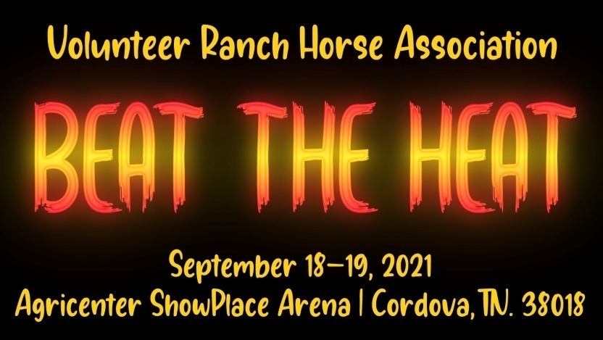

Class | Add Back | Office Fee | Judge Fee | Cattle Fee | NRCHA Fee | Total Entry | Added Money
Open Bridle | $60.00 | $40.00 | $17.00 | $40.00 | $8.00 | $165.00 | $300.00
Int Open Bridle** | $45.00 | $30.00 | $17.00 |  | $8.00 | $100.00 | $50.00
Ltd Open Bridle | $45.00 | $30.00 | $17.00 | $40.00 | $8.00 | $140.00 | $50.00
Non Pro Bridle | $45.00 | $30.00 | $17.00 | $40.00 | $8.00 | $140.00 | $50.00
Int NP Bridle | $45.00 | $30.00 | $17.00 | $40.00 | $8.00 | $140.00 | $50.00
Novice NP Bridle | $30.00 | $20.00 | $17.00 | $40.00 | $8.00 | $115.00 | $50.00
Open Hackamore | $60.00 | $40.00 | $17.00 | $40.00 | $8.00 | $165.00 | $300.00
Int Open Hackamore** | $45.00 | $30.00 | $17.00 |  | $8.00 | $100.00 | $50.00
Ltd Open Hackamore | $45.00 | $30.00 | $17.00 | $40.00 | $8.00 | $140.00 | $50.00
Non Pro Hackamore | $45.00 | $30.00 | $17.00 | $40.00 | $8.00 | $140.00 | $50.00
Open Two Rein | $30.00 | $20.00 | $17.00 | $40.00 | $8.00 | $115.00 | $50.00
Non Pro Two Rein | $30.00 | $20.00 | $17.00 | $40.00 | $8.00 | $115.00 | $50.00
Youth Fence | $9.00 | $6.00 | $17.00 | $40.00 | $8.00 | $80.00
Youth Fence 13 & U** |  |  |  |  | $8.00 | $8.00
Beginning Fence Work | $21.00 | $14.00 | $17.00 | $40.00 | $8.00 | $100.00
Non Pro Ltd | $30.00 | $20.00 | $17.00 | $40.00 | $8.00 | $115.00 | $50.00
5k Non Pro Ltd | $21.00 | $14.00 | $17.00 | $40.00 | $8.00 | $100.00
1k Non Pro Ltd | $21.00 | $14.00 | $17.00 | $40.00 | $8.00 | $100.00
Youth Ltd | $9.00 | $6.00 | $17.00 | $40.00 | $8.00 | $80.00
Youth Ltd 13 & U** |  |  |  |  | $8.00 | $8.00

OPEN DERBY | $60.00 | $40.00 | $17.00 | $80.00 | $8.00 | $205.00 | $500.00
INT OPEN DERBY | $45.00 | $30.00 | $17.00 |  | $8.00 | $100.00 | $400.00
LTD OPEN DERBY | $45.00 | $30.00 | $17.00 |  | $8.00 | $100.00 | $400.00
LEVEL 1 LTD OPEN DERBY | $45.00 | $30.00 | $17.00 | $80.00 | $8.00 | $180.00 | $300.00
NON PRO DERBY | $45.00 | $30.00 | $17.00 | $80.00 | $8.00 | $180.00 | $200.00
NON PRO LTD DERBY | $30.00 | $20.00 | $17.00 | $80.00 | $8.00 | $155.00 | $200.00

OPEN BRIDLE SPEC | $60.00 | $40.00 | $17.00 | $80.00 | $8.00 | $205.00 | $500.00
LTD OPEN BRIDLE SPEC | $45.00 | $30.00 | $17.00 |  | $8.00 | $100.00 | $400.00
NON PRO BRIDLE SPEC | $45.00 | $30.00 | $17.00 | $80.00 | $8.00 | $180.00 | $400.00
NOV NON PRO BRIDLE SPEC | $30.00 | $20.00 | $17.00 | $80.00 | $8.00 | $155.00 | $250.00
NON PRO LTD BRIDLE SPEC | $30.00 | $20.00 | $17.00 | $80.00 | $8.00 | $155.00 | $250.00

VolRHA Non-Cattle Classes |  |  |  |  |  | $25.00
VolRHA Cattle Classes |  |  |  |  |  | $65.00
AQHA Non-Cattle Classes |  |  |  |  |  | $30.00
AQHA Cattle Classes |  |  |  |  |  | $70.00

