Sheet1
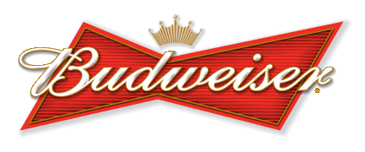

MOORHEAD BILLIARDS TUESDAY NIGHT
SCOTCH TRIPLES STANDINGS
AUGUST 15, 2023
 | Scotch Triples Standings
Rank | Team Name | Round Win % | Rounds Won | Rounds Lost | Total Rounds | Games Won | Total Games | Total Points | ERO'S | 10-0'S
1 | LOW MAN BUYS | 83.33% | 20 | 4 | 24 | 15 | 18 | 156 | 0 | 4
2 | OLD DAWGS | 70.83% | 17 | 7 | 24 | 13 | 18 | 149 | 0 | 2
3 | NOBODY LISTENS | 57.81% | 18.5 | 13.5 | 32 | 14 | 24 | 187 | 0 | 0
4 | RRG EXPRESS | 57.81% | 18.5 | 13.5 | 32 | 14 | 24 | 175 | 0 | 2
5 | TRIPLE THREAT | 56.25% | 18 | 14 | 32 | 13 | 24 | 170 | 1 | 2
6 | TRIPLE DDD's | 50.00% | 14 | 14 | 28 | 11 | 21 | 154 | 1 | 1
7 | THE JAG BOMBS | 43.75% | 14 | 18 | 32 | 11 | 24 | 171 | 0 | 0
8 | CHALK & AWE | 42.86% | 12 | 15 | 28 | 9 | 21 | 139 | 0 | 1
9 | KILLER B's | 42.86% | 12 | 16 | 28 | 9 | 21 | 137 | 0 | 0
10 | 2 1/2 PINTS & A GIANT | 41.07% | 11.5 | 16.5 | 28 | 9 | 21 | 142 | 1 | 1
11 | MOONS SALOON | 41.07% | 11.5 | 16.5 | 28 | 9 | 21 | 140 | 0 | 1
12 | 2 JERKS & A SQUIRT | 39.29% | 11 | 17 | 28 | 8 | 21 | 149 | 0 | 0
13 | TEAM DANGER KITTY | 20.83% | 5 | 19 | 24 | 4 | 18 | 96 | 0 | 1

