Data Validation
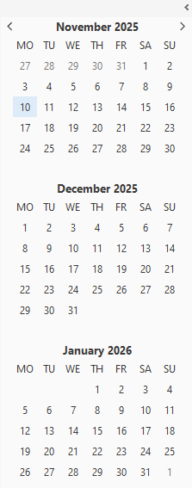
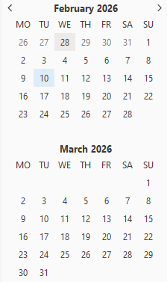
 |  | 6 Week Deadline | 6 Week Deadline
01/11/2025 | 2025-11-01 | 13/12/2025 | 2025-12-13
08/11/2025 | 2025-11-08 | 20/12/2025 | 2025-12-20
15/11/2025 | 2025-11-15 | 27/12/2025 | 2025-12-27
22/11/2025 | 2025-11-22 | 03/01/2026 | 2026-01-03
29/11/2025 | 2025-11-29 | 10/01/2026 | 2026-01-10
06/12/2025 | 2025-12-06 | 17/01/2026 | 2026-01-17
13/12/2025 | 2025-12-13 | 24/01/2026 | 2026-01-24
20/12/2025 | 2025-12-20 | 31/01/2026 | 2026-01-31
27/12/2025 | 2025-12-27 | 07/02/2026 | 2026-02-07
03/01/2026 | 2026-01-03 | 14/02/2026 | 2026-02-14
10/01/2026 | 2026-01-10 | 21/02/2026 | 2026-02-21
17/01/2026 | 2026-01-17 | 28/02/2026 | 2026-02-28
24/01/2026 | 2026-01-24 | 07/03/2026 | 2026-03-07
31/01/2026 | 2026-01-31 | 08/03/2026 | 2026-03-08
07/02/2026 | 2026-02-07 | 08/03/2026 | 2026-03-08
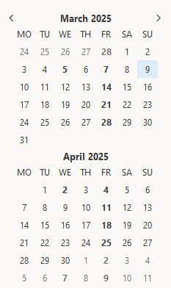
14/02/2026 | 2026-02-14 | 08/03/2026 | 2026-03-08
21/02/2026 | 2026-02-21 | 08/03/2026 | 2026-03-08
2026-02-28 | 2026-02-28 | 08/03/2026 | 2026-03-08
07/03/2026 | 2026-03-07 | 08/03/2026 | 2026-03-08

Season Ends | 9th March 2025

