Data Validation
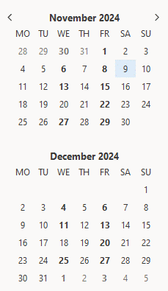
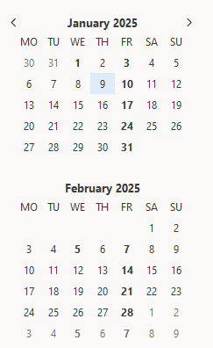
 |  | 6 Week Deadline | 6 Week Deadline
02/11/2024 | 2024-11-02 | 14/12/2024 | 2024-12-14
09/11/2024 | 2024-11-09 | 21/12/2024 | 2024-12-21
16/11/2024 | 2024-11-16 | 28/12/2024 | 2024-12-28
23/11/2024 | 2024-11-23 | 04/01/2025 | 2025-01-04
30/11/2024 | 2024-11-30 | 11/01/2025 | 2025-01-11
07/12/2024 | 2024-12-07 | 18/01/2025 | 2025-01-18
14/12/2024 | 2024-12-14 | 25/01/2025 | 2025-01-25
21/12/2024 | 2024-12-21 | 01/02/2025 | 2025-02-01
28/12/2024 | 2024-12-28 | 08/02/2025 | 2025-02-08
04/01/2025 | 2025-01-04 | 15/02/2025 | 2025-02-15
11/01/2025 | 2025-01-11 | 22/02/2025 | 2025-02-22
18/01/2025 | 2025-01-18 | 01/03/2025 | 2025-03-01
25/01/2025 | 2025-01-25 | 08/03/2025 | 2025-03-08
01/02/2025 | 2025-02-01 | 10/03/2024 | 2024-03-10
08/02/2025 | 2025-02-08 | 10/03/2024 | 2024-03-10
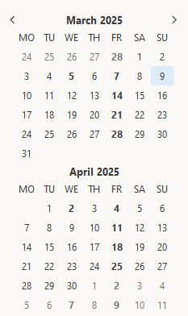
15/02/2025 | 2025-02-15 | 10/03/2024 | 2024-03-10
22/02/2025 | 2025-02-22 | 10/03/2024 | 2024-03-10
2025-03-01 | 2025-03-01 | 10/03/2024 | 2024-03-10
08/03/2025 | 2025-03-08 | 10/03/2024 | 2024-03-10

Season Ends | 9th March 2025

